Sheet1
 | Databricks Lakehouse Platform | Intro, Workspace Components and Utility Catalog
 | ETL with Apache Spark | Overview, Querying the data and Transforming Data
 | Incremental Data processing | Spark Structured Streaming, Delta Lake, DLT, DLT Pipelines & Notebooks
 | Production Pipelines | Databricks Jobs
 | Data governance | Databricks SQL & Data Governance

 | What is Datalakehouse? | It is new, open data management architechture that combines flexbility, cost efficiency, and scale of Data lakes with the data management and ACID transcations of Data warehouse enabling the BI and ML on all the data
 |  | Datalakehouse = Data Lake + DataWarehouse
1980 to 2010 | What is DataWarehouse? | Operational Data + External Data [Structured Data] --> ETL --> DW --> DM --> BI Reports
 | Problems in DataWarehouse | Increased Data Volumne & Variety
 |  | Longer Time to ingest new Data
 |  | Propertitery Data Formats/Vendor Lockin
 |  | Scalibility Issues
 |  | High Storage Costs
 |  | Limited support for Advance Analytics
2010 to Nw | What is DataLake? | Operational Data + External Data [Structured Data + UnStructured Data] --> ETL --> DL (AI/ML Workloads) --> ETL --> DW --> BI Reports
 | Problems in DataLakes | No Support for ACID Transactions
 |  | Partial Data Loads
 |  | Inconsistent Reads
 |  | Complicated Data Corrections
 |  | No Rollback Capability
 |  | GDPR Challenges
 |  | No Data Versioning
 |  | Poor BI Performance & Support
 |  | Complex to Set Up
 |  | Streaming vs Batch Processing
 | What is DataLakehouse? | Operational Data + External Data [Structured Data + UnStructured Data] --> ETL --> DLH (AI/ML Workloads) --> BI Reports + Data Governance
 | Problems in DataLakesHouse | Handles all types of Data
 |  | Cheap Cloud Object Storage
 |  | Uses Open file format
 |  | Support all the Workloads
 |  | Direct BI Integration
 |  | ACID Support & Version History
 |  | Improved Performance
 |  | Simple Architechure
 | Medallion Architechture
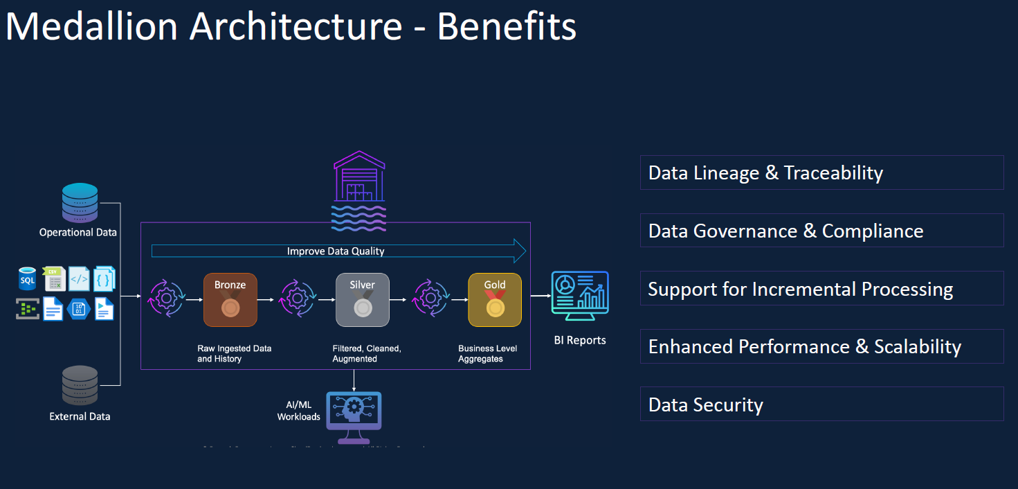

 | Databricks Overview
 | Apache Spark | Lighting fast Unified Analytics engine for big data processing & ML
 |  | 100% open source with Apache License
 |  | Simple & ease to use API's
 |  | In Memory Processing Engine
 |  | Distributed Computing Platforms
 |  | Unified Engine which supports SQL, streaming, ML and graph processing
 | Databricks | Clusters + Workspace/Notebooks + Admin Controls + Optimised Spark Engine + Photon + Unity Catalog + Delta Lake + Delta Live Tables + Workflws + SQL Warehouse + ML Flow + Databricks IQ
 |  | AWS & GCP & Azure
 |  | Databricks integrated with cloud platforms on Security & Governance, Storage Servcies, Compute and Monitoring, Devops Service
 | Creating Azure Databricks Service
 | Basics | Subscription, Resource Group, Instance Details (Workspace Name, Region, Pricing Tier and Managed Resource Group)
 | Networking | Deploy Azure Workspace in Public IP, Deploy Azure Workspace in your Own Virtual Server
 | Encryption | Data Encryption (Manage Disk or Manage Services) and Double Encryption for DBFS Root
 | Security & Compliance | Enable Compliance Security Profile, Enable Enhanced Security Monitoring, Enable automatic cluster update
 | Tags | Name & Value
 | Review + Create | Validate & Create
 | Launch Workspace
 | 3 types of Pricing Tier | Standard - Apache Spark + Secu ID
 |  | Premium - Role Based Access Control + Unity Catalog ( Recommeded for Databricks certification)
 |  | Trail ( Premium 14 days free DBU's)
 | Databricks UI

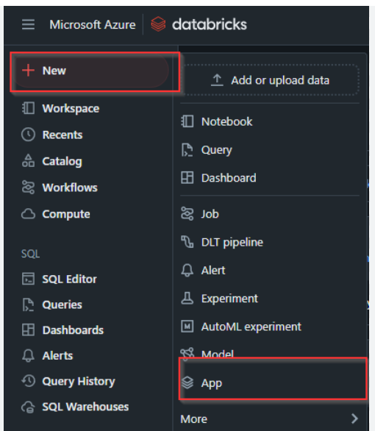

 | New Menu

 | Workspace menu | File, Folder, User, Shared ,Repos
 | Workflow | Jobs, Job Runs and Delta Lake Table
 | Compute | All Purpose Compute, Job Compute, SQL Warehouse, Pools and Policies

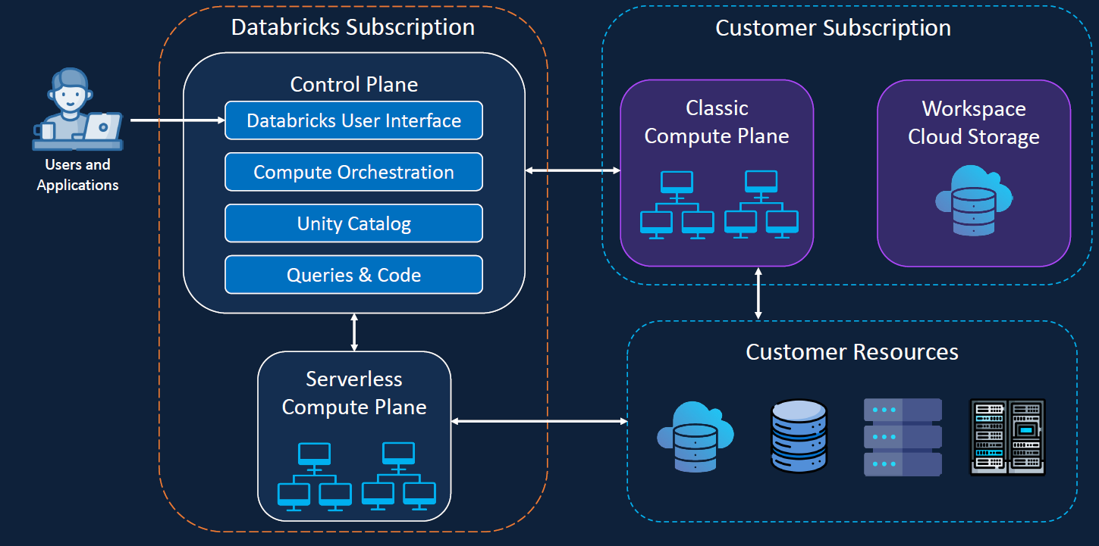
 | Databricks Workspace Components
 | Architechture Overview

 | Databricks Compute
 |  | compute = Cluster of virtual machine
 |  | Driver --> Multiple worker nodes
 |  | 2 types of compute --> Serverless and Classical compute
 |  | Serverless managed by databricks
 |  | classical compute manage by the user
 |  | Serverless managed by databricks
 | Benefits of Serverless Cluster | Reduce Cluster Start Time
 |  | Increase in Productivity | maynot get much question on exam
 |  | Low Cost
 |  | Config time reduced
 | Classic compute | Totally controlled by customer
 |  | user to config
 |  | total control of software version
 |  | compute nodes
 |  | hw many nodes and size
 | 2 types of Classic compute | All purpose and Job Clusters
 | All Purpose | Created Manually
 |  | Persistent
 |  | Suitable for interactive workloads
 |  | Shared among many users
 |  | Expensive to run
 | Job Clusters | Created Automatically
 |  | Terminated at the end of the Job
 |  | Suitable for automated workloads
 |  | Isolated just for Jobs
 |  | Cheaper to run
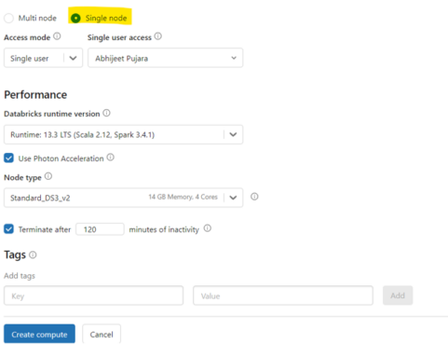
 | Cluster Configuration

 | Single Node | A single VM acts as both the driver and worker, running all processes locally.
 |  | Not horizontally scalable. The cluster's capacity is limited to the resources of that single VM.
 |  | Performance is limited by the single machine's CPU, memory, and storage. It is not suitable for large-scale distributed processing.
 |  | A low-cost option because it only requires one VM.
 |  | If you are working with small datasets or running non-distributed code for development, a single-node cluster offers the lowest cost and simplest configuration.
 |  | Not supported for scaling the number of nodes.
 |  | Not supported for scheduling GPU resources.
 |  | Ideal for: • Lightweight exploratory data analysis • Local development and testing • Workloads using single-node machine learning libraries • Workloads that can't be distributed, or only need Spark for data access
 | Multi Node | A driver VM manages the workload, which is executed in parallel by one or more worker VMs.
 |  | Horizontally scalable. Databricks can automatically add or remove worker nodes based on the workload.
 |  | High performance is possible by distributing tasks across multiple nodes, leveraging Spark's parallel processing capabilities.
 |  | More expensive, as it requires more VMs and is typically used for demanding workloads.
 |  | When processing large amounts of data, running complex ETL pipelines, or performing distributed machine learning, a multi-node cluster is necessary to leverage Apache Spark's full power for parallel processing.
 |  | Supports autoscaling to dynamically adjust the number of worker nodes based on workload.
 |  | Supports GPU scheduling for computationally intensive tasks like deep learning.
 |  | Ideal for: • Large-scale data processing • Complex ETL operations • Production workloads requiring high performance and scalability • Distributed machine learning model training
 | A multi-node cluster is designed for resource sharing, allowing multiple users to work on the same cluster. Single-node clusters are not intended for shared use.
 | Access Mode | Two types: Single User, Shared User and No Isolation Shared User mode
 | Single User | Only one User Access - Supports Python, Scala, R and SQL
 | Shared User | Multiple User Access - Only available in Premium. Supports Python and SQL
 | No Isolation Shared User | Multiple User Access - Only available in Premium. Supports Python, Scala, R and SQL
 | Databricks Runtime | 2 Types Standard Runtime and ML Runtime
 | Standard Runtime | Supports Apache Spark and Supporting Libraries [ Enable/Disable Photons] | LTS- Long time support use it for prod workloads
 | ML Runtime | Supports Apache Spark, Supporting Libraries and Popular ML libraries [ Enable/Disable Photons]
 | Use Photon Acceleration | highly vectorised query engine
 | Node Type
 | Worker Type | Worker Type with Min and Max workers along with spot instance
 | Driver Type
 | Auto Termination | Terminates the cluster after X minutes of activity
 |  | Default value for single node and standard clusters is 120 minutes
 |  | Users can specify a value between 10 and 43200 minutes as the duration
 | Auto Scaling | User specifies the min and max worker nodes
 |  | Auto scales between the min and max worker nodes based on the workloads
 |  | Users can opt for spot instances for the worker nodes
 | Cluster VM Type/Size | Memory Optimised
 |  | Compute Optimised
 |  | Storage Optimsied
 |  | General Purpose
 |  | GPU Accelerated
 | Cluster Policy | Unrestricted, Personal Compute, Power user Compute, Shared Compute and Legacy Shared Compute
 | Advanced Option | Spark, Logging and Init Scripts

 | Inside the Create Databricks Cluster | Config, Notebooks, Libraries, Event Log, Spark UI, Driver Logs, Metrics, Apps, Spark Compute UI Master
 | All Cluster Tabs | Compute --> All -purpose Compute, Job Compute, SQL Warehouse, Pools and policies
 | All Purpose Compute tab | All-Purpose Compute --> State, Name, Policy, Runtime, Active memeory, Active Cores, Sources, Creator, Notebooks,

 | Databricks Notebooks | Workspace --> Underuser --> Create Folder --> Create Notebook
 |  | %md - markdown , %sql - SQL Query
 | Databricks Magic Commands | %python, %SQL, %Scala, %r - Switch to different language
 |  | %md markdown for documenting the notebooks
 |  | %fs Run file system commands
 |  | %sh Run Shell command
 |  | %pip install python packages
 |  | %run include the current books
 |  | %ls
 |  | %cp
 |  | %pip list
 |  | %run
 |  | %fs ls - to list the fiiles
 | Databricks Utilies | File System - dbutils.fs.ls('/')
 |  | Secrets
 |  | Widget
 |  | dbutils.fs.help(cp)
 | Databricks Git Folders / Repos | Git Folder is the visual git client made available in the Databricks workspace to enable collabrative development amongst developers
 | Notebook Version History | Limited to single notebook
 |  | Lack of integration with CI/CD Pipeline
 |  | Basic tracking only no branching
 | Databricks Git Folders / Repos | Holistic version control
 |  | Team Collabration
 |  | Automated CI/CD Pipeline
 | Popular Git products are integrated in Databricks | Bitbucket, github, Azure Devops etc
 |  | Databricks Github App
 |  | Personal Access Token
 | Databricks Git Folders / Repos | 1. Link Github Account 2. Install & Configure the Databricks App 3. Create Git folder & Clone github repo 4. Work with development branches 5. Commit & push changes 6. Create pull request 7. Review & Merge changes
 | Unity Catalog | Around 2022 only unity catalog introduced in Databricks for better data security
 |  | USER --> Compute ( R/W) --> DBFS & Hive Meta Store --> Data Catalog --> Storage (AWS S3)
 | DBFS (dbutil or %fs commands) | Distributed file system used by Databricks to interact with cloud-based storage. It acts as an abstraction layer on top of highly scalable object storage services, such as Amazon S3, Azure Blob Storage, Azure Data Lake Storage Gen2, or Google Cloud Storage.
 |  | A distributed file system that comes pre-configured with every Databricks workspace and is available on all Spark clusters. It enables storing and accessing data from notebooks and jobs, acting as the storage layer for Databricks. DBFS acts as an intermediary layer atop scalable object storage, translating Unix-like filesystem commands into native cloud storage API calls.
 |  | DBFS is used to describe two parts of the platform: DBFS ROOT & DBFS MOUNT (Deprecated) Unity catalog is recommended
 | DBFS Root | Default storage location provisioned for a Databricks workspace when the workspace is created. It resides in the cloud storage account associated with the Databricks workspace. DBFS root contains several default directories /FileStore, /databricks-datasets, /databricks-results, /databricks/init, /user/hive/warehouse, /mnt
 | DBFS Mount | Mounting object storage to DBFS allows you to access objects in object storage as if they were on the local file system. Mounts store Hadoop configurations necessary for accessing storage
 | Benefits of DBFS | DBFS integrates with central access controls in Databricks for secure data access across users and clusters (though Unity Catalog offers more granular control).
 |  | It provides a unified interface to access data from various cloud storage systems (S3, ADLS, GCS) without needing different APIs.
 |  | It is optimized specifically for Spark workloads, providing high performance for reads and writes from Spark jobs, notebooks, and other analytics processes.
 |  | It simplifies interacting with cloud object storage using familiar file/directory semantics.
 |  | It can auto-scale to handle increasing data volumes without storage bottlenecks, as it leverages scalable cloud object storage in the backend.
 |  | It eases persisting files to cloud storage instead of interfacing directly from clusters.
 |  | It supports multiple data formats (Parquet, JSON, CSV, etc.) as per the use case.
 | Hive Metastore | Good for structured and semi structured tables
 |  | Table, View and Functions can be created
 |  | Limitation: Column & Row level access control, Data Lineage and auditing the data
 |  | TO resolve the above limitation Unity Catalog introduced
 | Benefits of Unity catalog | Table, View, Functions and Volume
 |  | Data Lineage, Data Governance, File access control
 | Meta Store | Meta Store - Top level Container, Only one per region, Paired with AWS S3 Storage,
 |  | External location, Storage Credientials, Catalog, Service credientials, Connections, Share, Receipent and Provider
 | Catalog | Catalog - New feature in Databricks. Catalog is logical container inside the meta store
 | Schema Dataset | Next Level containers within catalog
 |  | Schema & Databases are same
 |  | Volume, Table, Views and Functions
 | Volume | 2 Types: External & Managed
 |  | Managed - Fully managed by unity catalog.
 |  | External - External data which is reside on AWS S3. Registered in Unity Catalog
 | Table | 2 Types: External & Managed
 |  | Managed - Unity catalog managed metadata and data in the table.
 |  | External - Only Metadata will be managed by databricks. If drop any table in Databricks, it will drop the metadata info only not external table something reside in AWS platform
 | Unity Catalog Setup | ****One Metastore has multiple workspaces
 |  | Login Databricks Account Console
 |  | User Must have global administrator priviledges
 |  | Create Unity Catalog Meta Store
 |  | Assign Databricks workspace to the Unity Catalog Metastore (Unity Catalog will be created automatically). To check the above thing you can code using select current_metastore();
 |  | Other way Login the account --> Microsoft entra ID (Active Directory renamed now) --> Manage --> Users --> Create New User --> user principle name, email id, Display Name, Password and account enable checkin
 |  | Assigned Roles --> Add Assignments --> Serach Global Administrator --> Click Add
 |  | Sigin the Databricks
 |  | Components inside the Workspace --> Name, Status, Resource Group, Region, Subscription, Created, Metastore
 |  | Components inside the Catalog --> Name, Region, Path, Created at, Updated at
 |  | Catalog - 1) to Create new one - Name, Region, ADLS Gen2 Path, Access Connector ID 2) Assign to workspace
 | Cluster Configuration -Unity Catalog | 3 things decide to connect the Unity Catalog
 |  | 1) Databricks Run time (11.3 onwards supports the unity catalog)
 |  | 2) Access Model - No Isolation mode support the Unity Catalog. Single & Shared User mode supports the Unity Catalog
 |  | 3) If you enable the crediential pass through user level access for data access, then unity catalog will not supported
 | Unity Catalog - Metastore | 2 types : Stroage credientals and External Location
 | Configure access to cloud storage | Create access connector for azure databricks --> Basic & Managed Entity & Review + Create-->Deployment is complete --> Search storage connect -- Create -->
 | ETL For Apache Spark | Query Files/Folders ---> CSV, JSON and Binary Files
 |  | Query External Tables --> Access Extrernal data via JDBC
 |  | Validate & Clean the data
 |  | Transform Data --> Direct Query, External tables & Views
 |  | Create Business Level Aggreagtes
 |  | Simple, Complex JSON structures such as arrays
 |  | Validate & Fix the data issues
 |  | Simple Transformations
 |  | Create UDF
 |  | Create Tables
 |  | Spark SQL & Python
 | Sample Schema | Customer Address Order Payment Refunds Membership
 | Set Up Project Environment | Azure Data Storage --> New Container --> Landing --> External Location 1) Operational Data - customer, address, order, membership 2) External data - Payments
 |  | Click on All resouces --> open the resource --> Data Storage --> Containers --?> New Containers --> Add directory

 | CREATE EXTERNAL LOCATION desc | The CREATE EXTERNAL LOCATION command registers a specific cloud storage path in Databricks Unity Catalog, creating a secure, named shortcut. It links your data location to a storage credential, centralizing access control and simplifying how you connect to your external data sources.
 | CREATE EXTERNAL LOCATION Sample Code | CREATE EXTERNAL LOCATION IF NOT EXISTS my_aws_external_location URL 's3://<your-s3-bucket>/<path>/' WITH (STORAGE CREDENTIAL aws_iam_role_cred) COMMENT 'External location for my data in S3';
 | Access the container - List the contents of the entire external location | dbutils.fs.ls('s3://<your-s3-bucket>/<path>/')
 | Access the container - list a sub-directory within that location | dbutils.fs.ls('s3://<your-s3-bucket>/<path>/subfolder/')

 | Current DB Setup | Catalog: GIZMOBOX
 |  | Schema:Landing
 |  | Landing --> Operational Data --> Customers, Addresses, Orders, Memberships
 |  | Landing --> External Data --> Payments

 | To display all the Catalog in the Databricks | SHOW CATALOGS;
 | Built-in catalogs | hive_metastore: This catalog is a gateway to your workspace's legacy Hive metastore, providing backward compatibility to access older data objects. samples: A read-only catalog containing public datasets for learning, development, and testing features without needing your own data. system: This catalog provides system tables with operational data about your Databricks account, including usage, billing, and audit logs.
 | To create the Catalog in SQL | CREATE CATALOG IF NOT EXISTS my_managed_catalog MANAGED LOCATION 's3://<your-s3-bucket>/<your-managed-location-path>/' COMMENT 'This is a catalog for my production data, with managed storage in S3.' OPTIONS ( 'option_name' = 'option_value', 'another_option' = 'another_value' );
 | To create the Catalog in Databricks UI | Navigate to Catalog Explorer: From the left sidebar, click the Catalog icon 🧭. Open Create Catalog Dialog: Click the + (plus) icon next to "Catalogs" and select Create catalog ➕. Name and Locate: In the dialog, enter a name and choose a managed storage location from the dropdown 🏡. Add Comment: Optionally, add a comment to describe the catalog's purpose 📝. Create: Click the Create button to finalize 🚀.
 | To check the current catalog in SQL | SELECT CURRENT_CATALOG();
 | To change the current catalog in SQL | USE CATALOG GIZMOBOX;
 | To Create the Schema | CREATE SCHEMA IF NOT EXISTS GIZMOBOX.landing MANAGED LOCATION 's3://<your-s3-bucket>/<your-path>/landing/' COMMENT 'This schema is for raw, unprocessed data ingested from various sources.' WITH DBPROPERTIES ('purpose' = 'ingestion', 'data_stage' = 'raw');
 | To check all the schema in Gizmobx | SHOW SCHEMAS;
 | Besides your landing schema, the SHOW SCHEMAS command in a default Databricks catalog will typically show two other schemas: | 1) default: This is a pre-existing schema that is automatically created in every new catalog. It's the default location for objects if you don't specify a schema when creating a table or view. 2) information_schema: This is a special, system-managed schema that contains metadata about all the objects within the current catalog. You can query its views (e.g., tables, columns, schemata) to get information about your data, similar to a standard SQL information schema.
 | Volume | It is a Unity Catalog object that provides governance over non-tabular data stored in a cloud object storage location. While a table governs data organized in rows and columns, a volume is for all other file formats, including structured, semi-structured, and unstructured data like images, PDFs, CSVs, or logs.
 | CREATE VOLUME | CREATE EXTERNAL VOLUME IF NOT EXISTS gizmobox.landing.operational_data LOCATION 's3://<your-s3-bucket>/gizmobox/landing/operational_data/';
 | Grant a user read-only access to all files in the volume | GRANT READ VOLUME ON VOLUME gizmobox.landing.operational_data TO "user@example.com";
 | Grant a group both read and write access to all files in the volume | GRANT ALL PRIVILEGES ON VOLUME gizmobox.landing.operational_data TO "data_engineers";
 | To Select the Single JSON File under customer file | SELECT * FROM json.`/Volumes/gizmobox/landing/operational_data/customers/customer_2024_10.json`
 | Select All Files in a Folder | SELECT * FROM json.`/Volumes/gizmobox/landing/operational_data/customers/`
 | Select Files with a Specific Pattern | SELECT * FROM json.`/Volumes/gizmobox/landing/operational_data/customers/customer_2024_*.json`
 |  | SELECT * FROM json.`/Volumes/gizmobox/landing/operational_data/**/customer_2024_*.json`
 | _metadata column | The _metadata column is a virtual column in Databricks that exposes file-level information like path, size, and modification time for records read from cloud storage. It allows you to filter or track data lineage based on its source file without needing to manually add this information to your table.
 | Key Fields in the _metadata Column | _metadata.file_path: The full path to the file that the record originated from. This is very useful for debugging and tracking data back to its source file. _metadata.file_name: The name of the file. _metadata.file_size: The size of the file in bytes. _metadata.file_modification_time: The timestamp of when the file was last modified.
 | use the _metadata Column in a SQL query | SELECT *, _metadata.file_path, _metadata.file_modification_time FROM json.`/Volumes/gizmobox/landing/operational_data/customers/` WHERE _metadata.file_name LIKE 'customer_2024_10%'
 | Create Permanent Views | CREATE OR REPLACE VIEW gizmobox.bronze.v_customers AS SELECT *, _metadata.file_path AS source_file FROM json.`/Volumes/gizmobox/landing/operational_data/customers/`;
 | Temporary Views | It is a virtual table that exists only for the current Spark session and is not stored in the Unity Catalog. It is used for short-term data analysis or as an intermediate step in a data transformation pipeline.
 | Create Temp Views | CREATE OR REPLACE TEMPORARY VIEW v_customers AS SELECT *, _metadata.file_path AS source_file FROM json.`/Volumes/gizmobox/landing/operational_data/customers/`;
 | Global Temporary Views | Cluster-Scoped: It is visible to all users and sessions connected to the same cluster. This makes it useful for sharing intermediate query results among a team working on a single cluster. Lifetime: It lasts as long as the cluster is active. Once the cluster is terminated, the global temporary view and its definition are automatically dropped.
 | Create global Temp Views | CREATE OR REPLACE GLOBAL TEMPORARY VIEW v_customers AS SELECT *, _metadata.file_path AS source_file FROM json.`/Volumes/gizmobox/landing/operational_data/customers/`;
 | Query Permanent Views | SELECT * FROM gizmobox.bronze.v_customers;
 | Query Temp Views | SELECT * FROM v_customers;
 | Query Global Temp Views | SELECT * FROM global_temp.v_customers;
 | Binary Files | A binary file in Databricks is a file format that treats the entire content of a file as a single raw byte array. It's used for handling unstructured or semi-structured data where the content doesn't fit a standard schema, like images, audio, or log files.
 | Two key points about binary files in Databricks | Governs Unstructured Data: It's the standard way to read files that lack a predefined structure, allowing you to load them into a table for analysis without parsing their content. Exposes Metadata: When you load files using this format, Databricks automatically provides a _metadata column, giving you access to file path, size, and modification time for each record.
 | Query Binary Files | SELECT * FROM binaryFile.`/Volumes/gizmobox/landing/operational_data/customers/`;
 | TSV Files | Table Valued Function
 |  | External Functions
 | Read CSV File | SELECT *, metadata.file_path AS source_file FROM csv.`/Volumes/gizmobox/landing/operational_data/customers/`;
 | Read TSV File | SELECT *, _metadata.file_path AS source_file FROM csv.`/Volumes/gizmobox/landing/operational_data/customers/` OPTIONS ('sep' = '\t', 'header' = 'true');
 | creating the External tables from inside the unity catalog | CREATE EXTERNAL TABLE IF NOT EXISTS gizmobox.landing.customer_data (customer_id INT, first_name STRING, last_name STRING, email STRING) USING CSV LOCATION 's3://<your-s3-bucket>/<your-external-location-path>/' OPTIONS ( 'header' = 'true', 'delimiter' = ',');
 | creating the External tables from outside the unity catalog Two-Level Namespace: The table is referred to as landing.customer_data. If it were in Unity Catalog, it would have a three-level namespace, like hive_metastore.landing.customer_data or your_catalog.landing.customer_data. | CREATE EXTERNAL TABLE IF NOT EXISTS landing.customer_data ( customer_id INT, first_name STRING, last_name STRING, email STRING) USING CSV LOCATION 's3://<your-s3-bucket>/<your-path>/' OPTIONS ( 'header' = 'true', 'delimiter' = ',');
 | Creating External Tables Inside Unity Catalog (Recommended) | Centralized Governance: All tables are registered in a central catalog, enabling unified access control, data lineage tracking, and auditing from a single place. Enhanced Security: You get fine-grained, secure access control over data and tables, managed by standard SQL GRANT and REVOKE commands.
 | Creating External Tables Outside Unity Catalog (Legacy) | No Central Governance: Tables are tied to a specific workspace, leading to fragmented security that is difficult to manage and audit. Poor Discoverability: Tables are not easily discoverable by other users or across different workspaces, which hinders collaboration and data sharing.
 | DESCRIBE EXTENDED TABLE NAME function | To descrive the table names
 | Refresh TABLE NAME function | To refresh the table
 | Create SQL Database Table
 | Queries Via Pyspark
 | Extracting the SQL output | spark.sql("SELECT name, age FROM people_view").display()
 |  | df.createOrReplaceTempView("my_temp_view") spark.sql("SELECT * FROM my_temp_view").display()
 | Create a Spark DataFrame | data = [("Alice", 25), ("Bob", 30), ("Charlie", 35)] columns = ["name", "age"] df = spark.createDataFrame(data, columns)
 | Convert the Spark DataFrame to a temporary view | df.createOrReplaceTempView("people_view")
 | Use spark.sql to query the temporary view and display the results | result_df = spark.sql("SELECT name, age FROM people_view WHERE age > 30") display(result_df)
 | spark.read.format() | general-purpose method to read data from a specified source format. It's the most versatile option as it can handle any data source supported by Spark, like Parquet, ORC, Avro, and JDBC.
 |  | df = spark.read.format("parquet").load("dbfs:/user/hive/warehouse/sales_data.parquet")
 |  | In this example, .option("multiLine", "true") is crucial for handling JSON files where each record spans multiple lines, which is common for pretty-printed JSON. The .option("inferSchema", "true") option tells Spark to automatically determine the data types of the columns, like integer or string, instead of treating everything as a string. df = spark.read.format("json") .option("inferSchema", "true") .option("multiLine", "true") .load("path/to/my/multiline.json")
 | spark.read.json() | df = spark.read.json("dbfs:/FileStore/json_data/events.json")
 | spark.read.csv() | df = spark.read.csv("dbfs:/FileStore/csv_data/customers.csv", header=True, inferSchema=True)
 | spark.table() | method used to create a DataFrame from an existing table.
 |  | # Load a table named 'sales' from the 'production' database sales_df = spark.table("production.sales") # Now you can work with the DataFrame sales_df.show()
 | Data Profiling in the Databricks
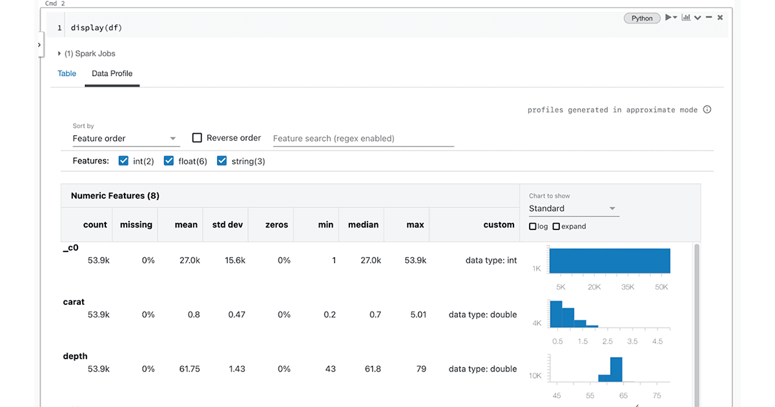
 | Profiling using Databricks UI

 | Profiling data using DBUTILS | dbutils.data.summarize(df)
 | Profile Data Manually by Count, Count if, Where and Distinct Keywords | SELECT COUNT(*) , COUNT(AGE), COUNT(CASE WHEN age > 30 THEN 1 END), COUNT_IF(age > 30), COUNT_IF(DISTINCT department_id, salary > 100000) FROM your_table WHERE CUSTOMER_ID IS NOT NULL;
 | Transformation | Remove Null, Duplicate, Cast Column values to correct datatype and Write Data to delta table

